Image Alt Text
Thumbnail | Filename | Current Alt Text | Issue Type | Page Context | Location | Decorative | Canvas Link
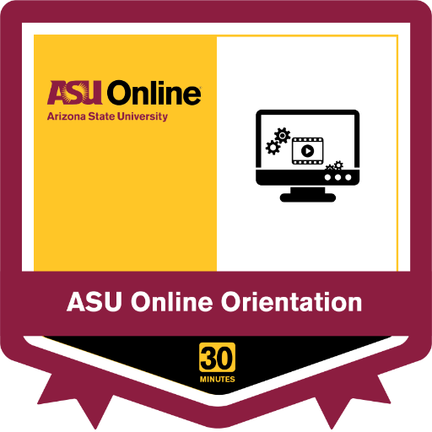 | preview | ASU Online Orientation image |  | Module 1: How Do I Create and Post a Video Response to Canvas? | Module 1: Introduction to Research Design |  | Open in Canvas
 | mc.jpg | thumbnail |  | Module 1: Learning Materials | Module 1: Introduction to Research Design |  | Open in Canvas
 | mc.jpg | thumbnail |  | Module 1: Learning Materials | Module 1: Introduction to Research Design |  | Open in Canvas
 | ally-icon-indicator-high-circle.f608a8b5a3987a75cfaf1554d59e0192.svg |  | missing_alt | Module 1: Learning Materials | Module 1: Introduction to Research Design |  | Open in Canvas
 | ally-icon-indicator-high-circle.f608a8b5a3987a75cfaf1554d59e0192.svg |  | missing_alt | Module 1: Learning Materials | Module 1: Introduction to Research Design |  | Open in Canvas
 | download |  | missing_alt | Module 1: Overview | Module 1: Introduction to Research Design |  | Open in Canvas
 | download |  | missing_alt | Module 2: Overview | Module 2: Research Design Cont'd |  | Open in Canvas
 | download |  | missing_alt | Module 3: Overview | Module 3: Introduction to Decision Science |  | Open in Canvas
 | download |  | missing_alt | Module 4: Overview | Module 4: Decision Science Cont'd |  | Open in Canvas
 | download |  | missing_alt | Module 5: Overview | Module 5: Introduction to Data Mining |  | Open in Canvas
 | download |  | missing_alt | Module 6: Overview | Module 6: Data Mining Cont'd |  | Open in Canvas
 | download |  | missing_alt | Module 7: Overview | Module 7: Developing a Research Question |  | Open in Canvas
 | download |  | missing_alt | Welcome to BMD 502: Foundations of BMI Methods I! | Module 0: Let's Get Started! |  | Open in Canvas
 | preview | sensitivity chart |  | Quiz: Module 7: Final Exam — Q28 | Module 7: Developing a Research Question |  | Open in Canvas
 | preview | appenciditis chart |  | Quiz: Module 7: Final Exam — Q32 | Module 7: Developing a Research Question |  | Open in Canvas
 | preview | FOB chart |  | Quiz: Module 7: Final Exam — Q35 | Module 7: Developing a Research Question |  | Open in Canvas

